SaaS Capital Model - Blank
SaaS Capital Valuation Model

Start | SaaS Capital publishes the SaaS Capital Index listing current public company multiples (see Links tab)
Step 1 | Take Current Index Multiple from SaaS Capital Index tab
Step 2 | Apply 28% discount to convert public company multiple to private company multiple
Steps 3-7 | Entity-specific adjustments based on charts at right
Step 3 | Adjust for ARR growth rate: how does rate compare to other companies of similar size (see Chart)?
Step 4 | Adjust for size of Total Addressable Market (TAM)
Step 5 | Adjust for Net Retention Rate
Step 6 | Adjust for Gross Margin
Step 7 | Adjust for Customer Acquisition Costs (CAC) Ratio
 | CAC Ratio = (New ARR from New Customers) / (Sales & Mkt spent to acquire those customers)

Step 1 |  | 16.50 | Current Index Multiple from SaaS Capital Index tab
Step 2 |  | (4.60) | Apply 28% discount
 |  | 11.90
Company-specific adjustments
Step 3 | ARR Growth | 0.00 | Enter adjustments for Steps 3-7 manually, since they involve judgment.
Step 4 | TAM | 0.00 | Use the articles on the Links tab for adjustment guidance.
Step 5 | Net Retention | 0.00
Step 6 | Gross Margin | 0.00
Step 7 | CAC Ratio | 0.00
 | Final Multiple | 11.90

 | ARR Est. |  | Enter company's ARR

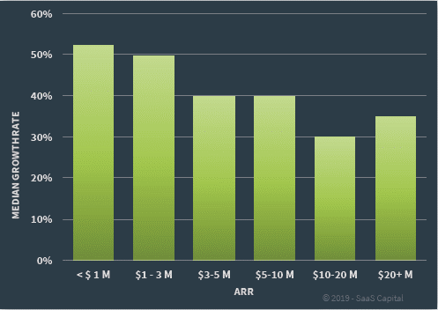
 | Valuation est. | $- | Note: Final valuation always subject to negotiations with buyer |  |  | SaaS Capital Chart: Median ARR Growth Rates by Business Size
 |  |  | It is customary for SaaS buyers to subtract Deferred Revenue balance from final price |  |  | Chart based on SaaS Capital's 2019 survey of 1,000+ private SaaS Companies
Step 3
Revenue Growth
Note: | Include service revenue in ARR if it is 20% or less of total revenue (white paper p.3)
 |  | Enter ARR for Last Year
 |  | Enter ARR for This Year
 |  | ARR Growth | #DIV/0! | Compare growth to ARR Cohort (see Chart at right)

Note: | Refer to SaaS Capital white paper for guidance on determining adjustment for revenue growth

Step 4
TAM
 |  | TAM assessment is subjective. Generally, TAM does not result in a premium.
 |  | Only a discount if TAM is assessed as "small."

Step 5
Net Retention
Note: | Net Retention includes cross-sell, up-sell, and price increases
 |  |  |  |  | Median Net Retention = 100%
 |  | Enter Cohort MRR for Last Year |  |  | Net Retention < 85% = discount
 |  | Enter Cohort MRR for This Year |  |  | Net Retention > 105% = premium
 |  | Net Retention | #DIV/0!

Step 6
Gross Margin
 |  | Avg SaaS Co |  | Your SaaS Co
 | ARR (is set equal to your ARR) | $- |  |  | Enter your ARR
 | Avg GM % | 74% |  |  | Enter your GM %
 | GM $ | $- |  | $-

 | Avg GM Mult | 8.8 |  | 8.8

 | Comp Valuation | $- |  | $-

 | Implied ARR Mult | #DIV/0! |  | #DIV/0!

Step 7
CAC Ratio
 |  | New ARR from New Customers
 |  | Sales/Mkt Spent on New Customers
 |  | CAC Ratio | #DIV/0! |  | Median CAC Ratio = 0.78

SaaS Capital Model - Example 1
Example 1 can be found on Page 18 of SaaS Capital's valuation white paper (see Links tab).

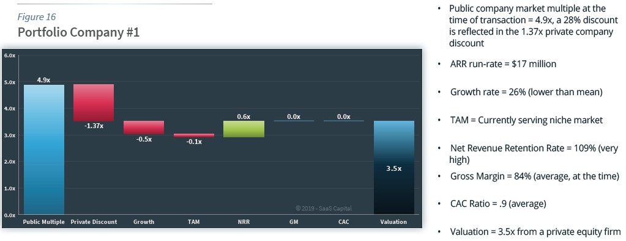
SaaS Capital Valuation Model
 |  |  |  |  | SaaS Capital Chart 1: Adjustments to Revenue Multiple
Start | SaaS Capital publishes the SaaS Capital Index listing current public company multiples (see Links tab)
Step 1 | Take Current Index Multiple from SaaS Capital Index tab
Step 2 | Apply 28% discount to convert public company multiple to private company multiple
Steps 3-7 | Entity-specific adjustments based on charts at right
Step 3 | Adjust for ARR growth rate: how does rate compare to other companies of similar size (see Chart 2)?
Step 4 | Adjust for size of Total Addressable Market (TAM)
Step 5 | Adjust for Net Retention Rate
Step 6 | Adjust for Gross Margin
Step 7 | Adjust for Customer Acquisition Costs (CAC) Ratio
 | CAC Ratio = (New ARR from New Customers) / (Sales & Mkt spent to acquire those customers)

 | Step 1 | 4.90 | Public company multiple at time of transaction. (See SaaS Capital Index tab for chart of historical market values.)

 | Step 2 | (1.37) | Apply 28% discount
 |  | 3.53

 | Step 3 | (0.50) | Discount - growth rate is below cohort median
 | Step 4 | (0.10) | Discount - small TAM
 | Step 5 | 0.60 | Premium - high Net Retention Rate
 | Step 6 | 0.00 | Average Gross Margin - No adjustment
 | Step 7 | 0.00 | Average CAC Ratio - No adjustment
 | Final Multiple | 3.50 |  |  | SaaS Capital Chart 2: Median ARR Growth Rates by Business Size
 |  |  |  |  | Chart based on SaaS Capital's 2019 survey of 1,000+ private SaaS Companies
 | ARR Est. | $17,000,000 | Enter company's ARR

 | Valuation est. | $59,500,000 | Note: Final valuation always subject to negotiations with buyer

Step 3
Revenue Growth
Note: | Include service revenue in ARR if it is 20% or less of total revenue (white paper p.3)
 |  | Enter ARR for Last Year | $13,500,000
 |  | Enter ARR for This Year | $17,000,000
 |  | ARR Growth | 26%
Company growth rate is below cohort growth rate, resulting in a discount.

Step 4
TAM
Current TAM is a niche market. |  |  | TAM assessment is subjective. Generally, TAM does not result in a premium.
This results in a discount. |  |  | Only a discount if TAM is assessed as "small."

Step 5
Net Retention
Note: | Net Retention includes cross-sell, up-sell, and price increases |  |  | Median Net Retention = 100%
 |  |  |  | Net Retention < 85% = discount
 |  | Net Retention | 109% | Net Retention > 105% = premium

Net Retention is high, resulting in a premium.

Step 6
Gross Margin
 |  | Enter Gross Margin % | 84% | Median Private Gross Margin = 74%

Gross Margin is average (for the time), thus no adjustment.

Step 7
CAC Ratio
 |  | Enter CAC Ratio | 0.9 | Median CAC Ratio = 0.78

CAC Ratio is close to average, thus no adjustment.

SaaS Capital Model - Example 2
Example 2 can be found on Page 18 of SaaS Capital's valuation white paper (see Links tab).

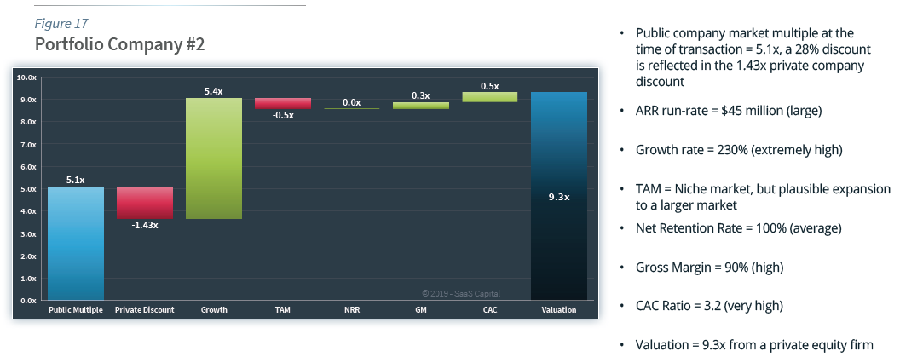
SaaS Capital Valuation Model
 |  |  |  |  | SaaS Capital Chart 1: Adjustments to Revenue Multiple
Start | SaaS Capital publishes the SaaS Capital Index listing current public company multiples (see Links tab)
Step 1 | Take Current Index Multiple from SaaS Capital Index tab
Step 2 | Apply 28% discount to convert public company multiple to private company multiple
Steps 3-7 | Entity-specific adjustments based on charts at right
Step 3 | Adjust for ARR growth rate: how does rate compare to other companies of similar size (see Chart 2)?
Step 4 | Adjust for size of Total Addressable Market (TAM)
Step 5 | Adjust for Net Retention Rate
Step 6 | Adjust for Gross Margin
Step 7 | Adjust for Customer Acquisition Costs (CAC) Ratio
 | CAC Ratio = (New ARR from New Customers) / (Sales & Mkt spent to acquire those customers)

 | Step 1 | 5.10 | Public company multiple at time of transaction. (See SaaS Capital Index tab for chart of historical market values.)

 | Step 2 | (1.43) | Apply 28% discount
 |  | 3.67

 | Step 3 | 5.40 | Premium - very high growth rate at scale
 | Step 4 | (0.50) | Discount - small TAM
 | Step 5 | 0.00 | Average Net Retention Rate - No adjustment
 | Step 6 | 0.30 | Premium - high Gross Margin
 | Step 7 | 0.50 | Premium - high CAC Ratio
 | Final Multiple | 9.30 |  |  | SaaS Capital Chart 2: Median ARR Growth Rates by Business Size
 |  |  |  |  | Chart based on SaaS Capital's 2019 survey of 1,000+ private SaaS Companies
 | ARR Est. | $45,000,000 | Enter company's ARR

 | Valuation est. | $418,500,000 | Note: Final valuation always subject to negotiations with buyer

Step 3
Revenue Growth
Note: | Include service revenue in ARR if it is 20% or less of total revenue (white paper p.3)
 |  | Enter ARR for Last Year | $13,500,000
 |  | Enter ARR for This Year | $45,000,000
 |  | ARR Growth | 233%
Company growth rate is much higher than cohort growth rate, resulting in significant premium.

Step 4
TAM
Current TAM is a niche market. |  |  | TAM assessment is subjective. Generally, TAM does not result in a premium.
This results in a discount. |  |  | Only a discount if TAM is assessed as "small."

Step 5
Net Retention
Note: | Net Retention includes cross-sell, up-sell, and price increases |  |  | Median Net Retention = 100%
 |  |  |  | Net Retention < 85% = discount
 |  | Net Retention | 100% | Net Retention > 105% = premium

Net Retention is average, thus no adjustment.

Step 6
Gross Margin
 |  | Enter Gross Margin % | 90% | Median Private Gross Margin = 74%

Gross Margin is high, resulting in a premium.

Step 7
CAC Ratio
 |  | Enter CAC Ratio | 3.2 | Median CAC Ratio = 0.78

CAC Ratio is than average, resulting in a premium.

